READ ME
Course outlines must be reviewed at least once every 5 years. | outline in progress/submitted | (blank)

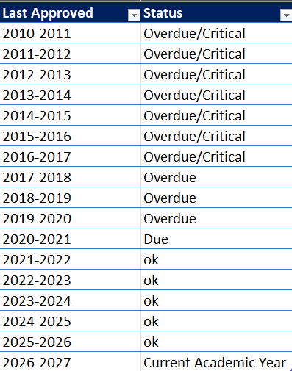
Turn in outlines even if there were no changes. | Count of Course | Column Labels
ISP 160 | Department | Overdue/Critical | Overdue | Due
 | ARTS |  | 1 | 1
 | ASHP |  | 21 | 4
 | BTBA |  | 3 | 7
 | COCP |  |  | 4
 | COTA |  | 3 | 2
 | CPSI |  | 4
 | DASC |  | 4
 | EGIS |  | 15
 | EHCJ |  |  | 2
 | ENGL |  |  | 18
 | ENGR |  |  | 1
 | HISC |  | 1
 | HLPE |  |  | 4
 | HORT |  | 10 | 8
 | IDTD | 11 | 28 | 7
 | MUSC |  | 14 | 26
 | SCNC | 2 | 12 | 7
 | SOSI |  | 21 | 2
 | WLDF |  | 13 | 6
 | WLNG |  | 5 | 6
 | MATH |  |  | 2
 | Grand Total | 13 | 155 | 107

